Bug Report
BUG REPORT Qafox Demo Store
Project: | Qafox Demo Store | Project URL | https://tutorialsninja.com/demo |  |  | Dated | 2026-05-06 | Environment | Windows 11 | Total Bugs | 15

Id | Summary | Project | Component / Module | Build | Type of Bug | Severity | Priority | Description (with attachment) | Attachment | Reporter | Release Notes
1 | Browser tab title shows default placeholder 'Your Store' | Qafox Demo Store | Home Page | v1.0 | UI | Minor | Medium | Browser tab displays 'Your Store' instead of displaying the actual store brand name 'Qafox.com' as brwoser tab title. Affects all pages sitewide. |  | Syeda Azwa Asif | Fixed browser tab title to display the correct store name 'Qafox.com' instead of the default placeholder 'Your Store' across all pages sitewide.
2 | Second hero banner with MacBook Air image is not clickable with the link to it missing | Qafox Demo Store | Home Page Banner | v1.0 | Functional | Major | High | Homepage carousel has two banners. iPhone 6 banner links correctly to product page. MacBook Air banner has no link to product. The cursor also does not change to pointer. | 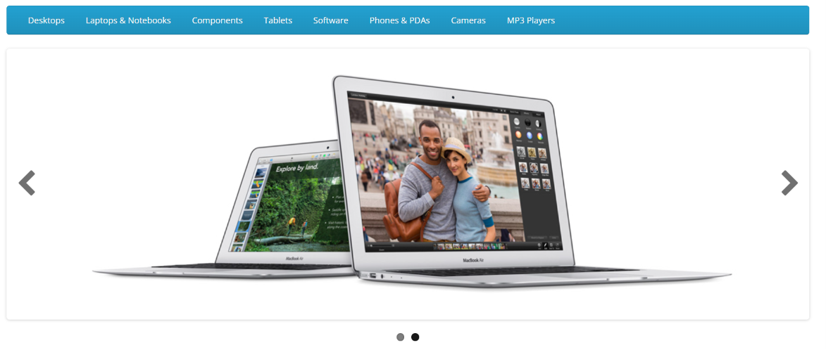 | Syeda Azwa Asif | Fixed the MacBook Air hero banner on the homepage to include a working product page link, and the pointer cursor changed to hover
3 | Brand carousel shows irrelevant non tech brands (NFL, RedBull, Burger King, Disney) | Qafox Demo Store | Home Page Brand Carousel | v1.0 | UI | Minor | Low | Brand logo carousel at the bottom of the homepage shows: NFL, RedBull, Coca Cola, Burger King, Harley Davidson, Disney, Starbucks, Nintendo alongside relevant tech brands Sony, Canon, Dell. |  | Syeda Azwa Asif | Updated the brand carousel to display only relevant tech brands, removing unrelated brands such as NFL, RedBull, Burger King, and Disney.
4 | 'Show All' category nav links missing space before category name | Qafox Demo Store | Navigation Category Menu | v1.0 | UI | Minor | Low | Bottom link in every category dropdown renders as 'Show AllDesktops', 'Show AllLaptops & Notebooks', 'Show AllMP3 Players'. Missing space between 'All' and the category name. |  | Syeda Azwa Asif | Fixed missing space in 'Show All' navigation links so they now correctly render as 'Show All Desktops', 'Show All Laptops & Notebooks', etc.
5 | MP3 Players subcategories show test placeholder names ('test 4' through 'test 24') | Qafox Demo Store | Navigation MP3 Players | v1.0 | Functional | Major | High | All 18 subcategories under MP3 Players show placeholder names: test 4, test 5, test 7, test 8, test 9, test 11, test 12, test 15 … test 24. Numbers are non-sequential. Test data was never replaced with production content. |  | Syeda Azwa Asif | Replaced all placeholder subcategory names (test 4 through test 24) under MP3 Players with correct production category names.
6 | Multiple subcategories showing 0 products are still accessible in navigation | Qafox Demo Store | Navigation Categories | v1.0 | Usability | Minor | Medium | Subcategories with 0 products are visible and clickable in nav: PC, Macs, Windows, Mice and Trackballs, Printers, Scanners, Web Cameras. Clicking navigates to a blank product listing page with no products and no helpful message. | 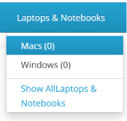 | Syeda Azwa Asif | Disabled navigations to empty subcategory products
7 | Header phone number '123456789' is a placeholder and not a clickable tel: link | Qafox Demo Store | Header Contact Info | v1.0 | UI | Minor | Medium | Phone number displayed sitewide in top header is '123456789' is a test placeholder. Number is also rendered as plain text with no hyperlink. |  | Syeda Azwa Asif | Replaced the placeholder phone number '123456789' in the sitewide header with the correct contact number, now rendered as a clickable hyperlink.
8 | Out of stock iPhone product page shows an active Add to Cart button | Qafox Demo Store | Product Page iPhone | v1.0 | Functional | Critical | High | iPhone product page clearly shows Availability: 'Out Of Stock'. Despite this, the Add to Cart button is fully rendered and clickable. Users can attempt to add an unavailable item to the cart. Potential order fulfillment issue. |  | Syeda Azwa Asif | Fixed the iPhone product page so that the Add to Cart button is disabled and inaccessible when the item is marked as out of stock.
9 | Product description text truncated inconsistently across product listing cards | Qafox Demo Store | Home Page Featured Product | v1.0 | UI | Trivial | Low | Product cards on homepage Featured section truncate description at inconsistent lengths. Some are cut mid-word. |  | Syeda Azwa Asif | Standardized product description truncation across all Featured product cards on the homepage so text is cut consistently and never mid-word.
10 | Contact Us page displays placeholder address 'Address 1' | Qafox Demo Store | Contact Us Page | v1.0 | UI | Minor | Low | Our Location section on the Contact Us page shows 'Address 1', default placeholder. |  | Syeda Azwa Asif | Updated the Contact Us page to display the correct store address, replacing the default placeholder 'Address 1' in the Our Location section.
11 | Checkout link in header is accessible even when shopping cart is empty | Qafox Demo Store | Checkout Cart Validation | v1.0 | Functional | Minor | Medium | User is taken directly into the checkout flow with an empty cart instead of being shown an empty cart message and redirected to the store. |  | Syeda Azwa Asif | Fixed the checkout flow so users with an empty cart are now redirected with an appropriate empty cart message instead of proceeding to checkout.
12 | Laptops & Notebooks: Macs and Windows subcategories show 0 products despite parent having 5 | Qafox Demo Store | Navigation Laptops & Notebooks | v1.0 | Functional | Major | Medium | Nav shows 'Macs (0)' and 'Windows (0)' under Laptops & Notebooks. The parent category page lists 5 laptop products. None are mapped to either subcategory. Clicking Macs or Windows leads to an empty product listing page. | 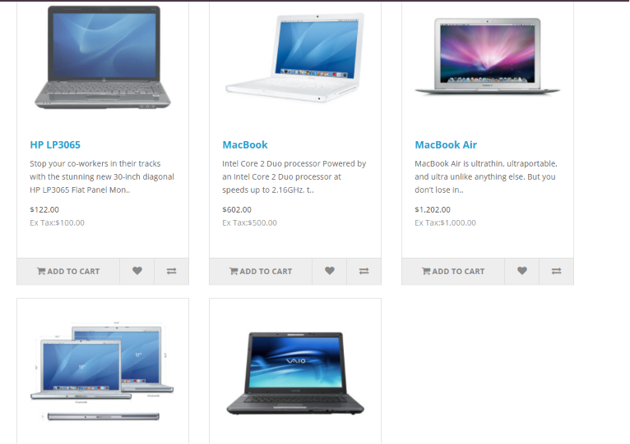 | Syeda Azwa Asif | Mapped all laptop products to their correct Macs and Windows subcategories under Laptops & Notebooks so subcategory counts and listings are accurate.
13 | Search bar accepts empty inputs | Qafox Demo Store | Home Page Search Bar | v1.0 | Functional | Minor | Medium | Should show validation or no results message |  | Syeda Azwa Asif | Added input validation to the search bar so that submitting an empty query now shows a 'no results' message instead of processing a blank search.
14 | Empty Information links in footer | Qafox Demo Store | Footer | v1.0 | Functional | Major | High | Should display all terms and conditions, About Us, Privacy Policy and Delivery Information so user make purchase accordingly |  | Syeda Azwa Asif | Added content for all footer Information links including Terms & Conditions, About Us, Privacy Policy, and Delivery Information pages.
15 | No drop down options | Qafox Demo Store | Product Details | v1.0 | Functional | Major | High | Prompts to select options from drop down but no options in drop down |  | Syeda Azwa Asif | Fixed the product details page dropdown to correctly populate available options, allowing users to make selections before adding to cart.

